Indices

 | Iraq Stock Exchange
 | Bulletin No (122)
 | ISX Trading Indices of Wednesday 15/7/2026

 | Traded Volume and OTC |  | 25,107,778,442 |  | Traded Value and OTC |  | 21,658,970,061 |  | Traders | 1224

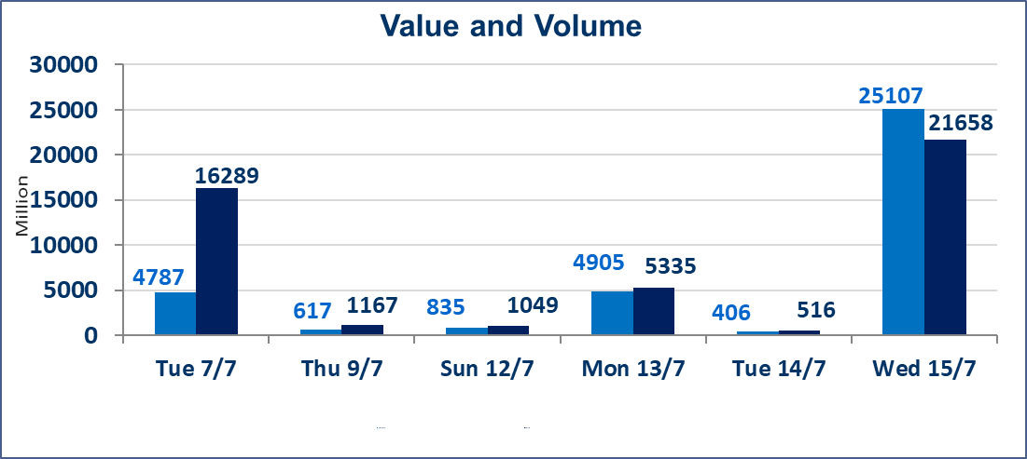
 | ISX Index 60 |  |  | 1020.51 | ISX Index 15 |  |  | 1269.65
 | Previous ISX Index60 |  |  | 999.68 | Previous ISX Index15 |  |  | 1261.78
 | Change % |  |  | 2.08 | Change % |  |  | 0.62
 | Change |  |  | 20.83 | Change |  |  | 7.87

 | Listed Companies | 103 | OTC | 17 | Non Traded listed | 32 | OTC | 15
 | Traded Listed Companies | 57 | OTC | 2 | Higher Companies |  |  | 25
 | GAM Companies |  |  | 6 | Lower Companies |  |  | 13
 | Suspended Companies |  |  | 8
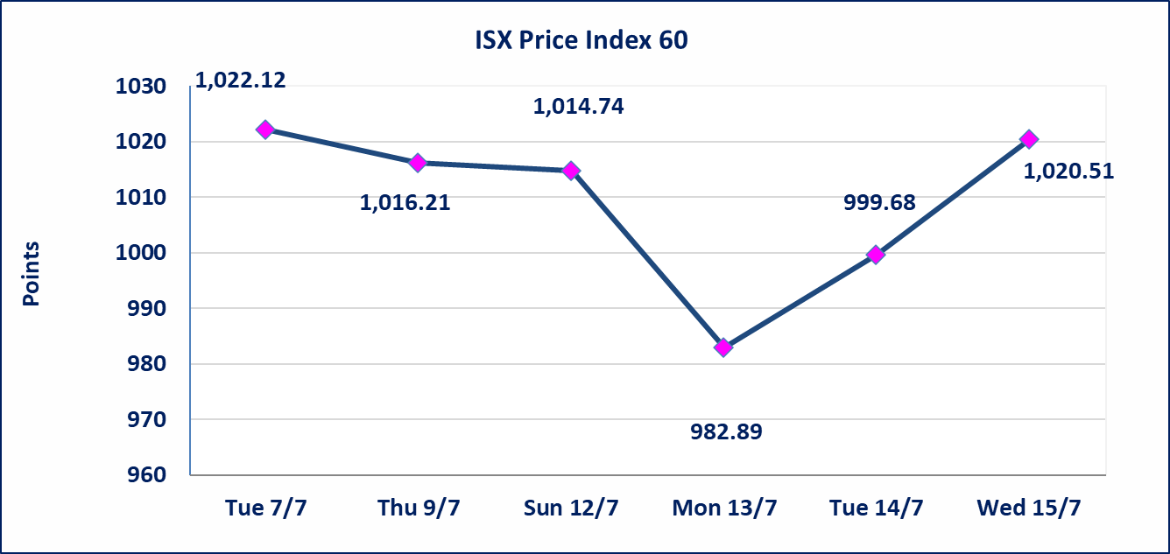
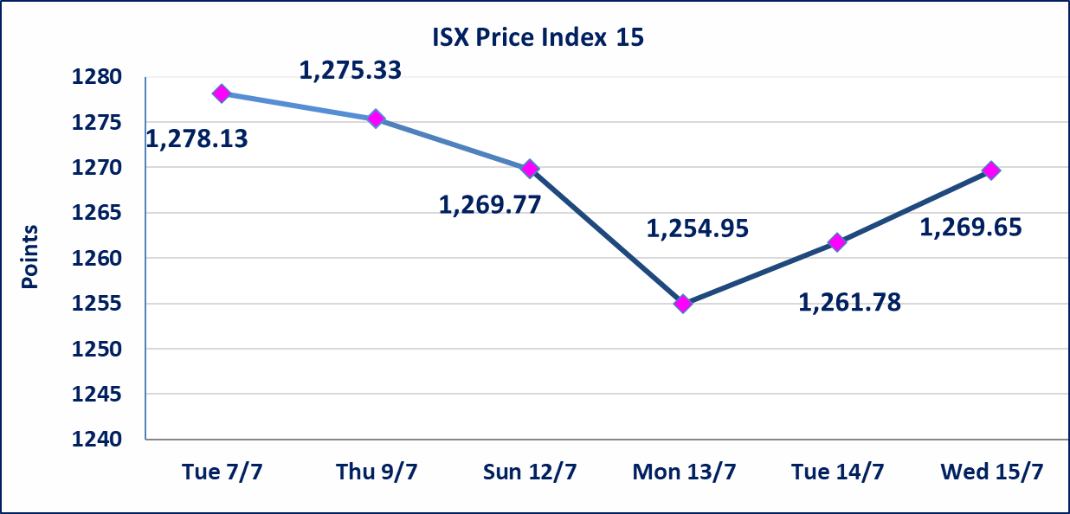

special orders |  | Al-Athmar Brokerage (as the buyer) and Al-Hikma Brokerage (as the seller) executed a special transaction involving 19,000,000,000 shares of Across Iraq Bank, valued at 4,750,000,000 dinars, during the extended trading session (after 1:00 PM) in accordance with the procedures for executing large-scale transactions.
special orders |  | Umm Al-Rabeein Brokerage Company executed a deliberate cross trade involving 5,000,000,000 shares of Al-Sanam Bank, valued at 15,000,000,000 dinars, during the extended trading session (after 1:00 PM) in accordance with the procedures for executing large-volume trades.
Al-Alwiya P.O . 3607 Mobile: 07711211522 - 07270094594 - 07834000034 E-mail: info-isx@isx-iq.net Web site:www.isx-iq.net

Top 5
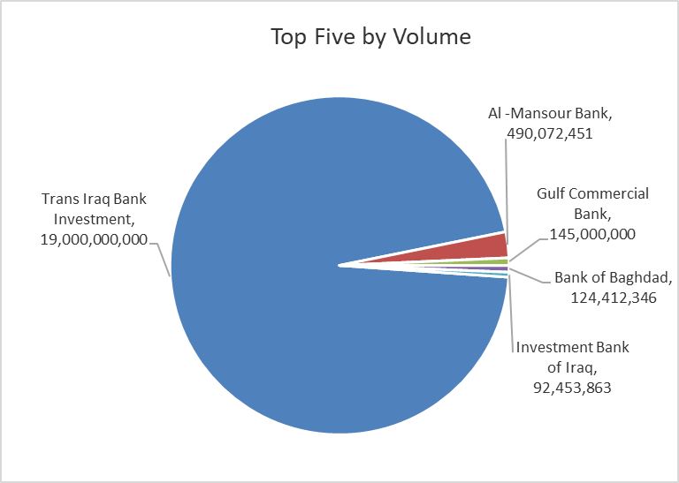
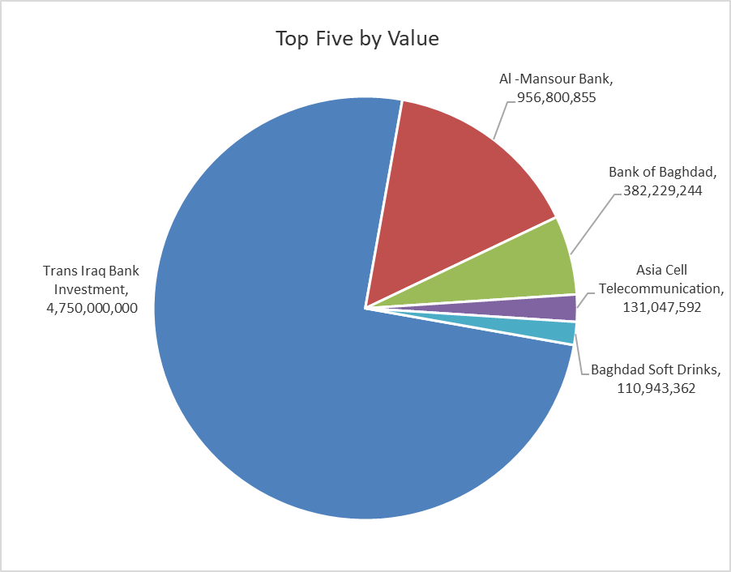

ISX top ganing and losing companies
Wednesday 15/7/2026
 | Gainers |  |  |  | Losers
 | Company Name | Closing Price | Change (%) | Traded Volume | Company Name | Closing Price | Change (%) | Traded Volume
 | Gulf Insurance | 0.530 | 20.45 | 1,388,981 | Al-Mansour Pharmaceuticals Industries | 2.340 | -8.24 | 2,571,140
 | Dar Al-Salam for Insurance | 0.800 | 6.67 | 1,700,000 | Kurdistan International Bank | 1.400 | -6.67 | 106
 | Electronic Industry | 1.450 | 6.62 | 110,294 | Babil Animal & Vegetable Production | 7.700 | -5.52 | 40,769
 | Investment Bank of Iraq | 0.330 | 6.45 | 92,453,863 | Modern Construction Materials | 1.550 | -4.91 | 50,000
 | Mansour Hotel | 70.150 | 6.21 | 76,811 | Economy Bank | 0.230 | -4.17 | 24,000,000
 | The most active companies in term of traded volume and value

 | Traded Volume |  |  |  | Traded Value
 | Company Name | Closing Price | Change (%) | Traded Volume | Company Name | Closing Price | Change (%) | Traded Value
 | Trans Iraq Bank Investment | 0.250 | 0.00 | 19,000,000,000 | Trans Iraq Bank Investment | 0.250 | 0.00 | 4,750,000,000
 | Al -Mansour Bank | 1.960 | 2.08 | 490,072,451 | Al -Mansour Bank | 1.960 | 2.08 | 956,800,855
 | Gulf Commercial Bank | 0.320 | 3.23 | 145,000,000 | Bank of Baghdad | 3.100 | 4.38 | 382,229,244
 | Bank of Baghdad | 3.100 | 4.38 | 124,412,346 | Asia Cell Telecommunication | 16.000 | -0.81 | 131,047,592
 | Investment Bank of Iraq | 0.330 | 6.45 | 92,453,863 | Baghdad Soft Drinks | 6.320 | 0.48 | 110,943,362

Non Iraqis

 | Iraq Stock Exchange
 | Non Iraqis' Bulletin Wednesday July 15 2026
 | Regular Market

 | Non Iraqi Trading of Regular Market (Buy)
 | Company Names | Code | No.of trades | Traded Shares | Trading Volume
 | Banks Sector
 | Bank Of Baghdad | BBOB | 8 | 4,040,000 | 12,346,250
 | Al-Mansour Bank | BMNS | 1 | 750,000 | 1,462,500
 | Economy Bank | BEFI | 1 | 3,000,000 | 720,000
 | Total Bank sector |  | 10 | 7,790,000 | 14,528,750
 | Industry Sector
 | Al-Mansour Pharmaceuticals Industries | IMAP | 9 | 850,000 | 1,989,000
 | Total Industry sector |  | 9 | 850,000 | 1,989,000
 | Grand Total |  | 19 | 8,640,000 | 16,517,750

 | Non Iraqi Trading of Regular Market (Sell)
 | Company Names | Code | No.of trades | Traded Shares | Trading Volume
 | Banks Sector
 | Bank Of Baghdad | BBOB | 2 | 37,947 | 112,703
 | National Bank Of Iraq | BNOI | 1 | 4,000,000 | 16,240,000
 | Total Bank sector |  | 3 | 4,037,947 | 16,352,703
 | Telecommunication Sector
 | Asia cell | TASC | 68 | 5,325,262 | 85,641,204
 | Total Telecommunication sector |  | 68 | 5,325,262 | 85,641,204
 | Grand Total |  | 71 | 9,363,209 | 101,993,907

 | Non Iraqi Trading of Second Market (BUY)
 | Company Names | Code | No. of trades | Traded Volume | Traded Value
Banks Sector
 | International Islamic Bank | BINT | 1 | 346,820 | 79,769
 | Total Bank sector |  | 1 | 346,820 | 79,769
 | Grand Total |  | 1 | 346,820 | 79,769

 | Non Iraqi Trading of Second Market (Sell)
 | Company Names | Code | No.of trades | Traded Shares | Trading Volume
Banks Sector
 | Credit Bank Of Iraq | BROI | 10 | 3,487,460 | 1,923,174
 | Total Bank sector |  | 10 | 3,487,460 | 1,923,174
 | Grand Total |  | 10 | 3,487,460 | 1,923,174

 | Non Iraqi Trading of Undisclosed Platform (BUY)
 | Company Names | Code | No.of trades | Traded Shares | Trading Volume
 | Industry Sector
 | ELectronic Industries | IELI | 1 | 100,000 | 145,000
 | Total Industry sector |  | 1 | 100,000 | 145,000
 | Grand Total |  | 1 | 100,000 | 145,000

OTC

Iraq Stock Exchange

Wednesday 15/7/2026

OTC Platform Trading Bulletin No (122)
Company Name | Code | highest price | lowest price | Average price | No.of Trades | Traded Volume | Traded Value
Banks Sector
Al-Warka Bank | BWAI | 0.140 | 0.130 | 0.140 | 9 | 9,447,778 | 1,322,679
Al-Sanam Islamic Bank | BSAN | 3.000 | 3.000 | 3.000 | 5 | 5,000,000,000 | 15,000,000,000
Total Of Money Service Sector |  |  |  |  | 14 | 5,009,447,778 | 15,001,322,679
Total |  |  |  |  | 14 | 5,009,447,778 | 15,001,322,679

Not Trading OTC Companies
Company Name |  |  | Code |  | Previous Average price
Banks Sector
Hammurabi Commercial Bank |  |  | BHAM |  | ـــــــــــــــــــــــــــــــــــ
Industrial Sector
Kirkuk producing constructional materials |  |  | IKFP |  | 2.660
Money Service Sector
Rabee Securities |  |  | FRSE |  | 9.050
Karmal Brokerage |  |  | FKSX |  | 10.000
Iraqi Deposit Insurance Corporation |  |  | FIDI |  | 1.000
Ishtar Gate for e-Paymant |  |  | FISH |  | 1.000
Sama Baghdad Exchange |  |  | FSBE |  | ـــــــــــــــــــــــــــــــــــ
Insurance Sector
Almaseer lnsurance Company |  |  | NMAS |  | ـــــــــــــــــــــــــــــــــــ
Zain lnsurance Company |  |  | NZA |  | ـــــــــــــــــــــــــــــــــــ
Dar Altheqa Insurance Company |  |  | NDAR |  | ـــــــــــــــــــــــــــــــــــ
Shatt Al Arab Insurance |  |  | NSHA |  | 1.000
Al Badia Insurance |  |  | NBAD |  | ـــــــــــــــــــــــــــــــــــ
Kurdistan Insurance |  |  | NKUI |  | 0.500
Elaf Insurance |  |  | NELF |  | ـــــــــــــــــــــــــــــــــــ
Dilina Insurance Company |  |  | NDIL |  | ـــــــــــــــــــــــــــــــــــ

Not Trading Bonds

Iraq Stock Exchange
Wednesday 15/7/2026
Not Trading Bonds Bulletin
Bond type | Publish type | Code | last trading price | immortilize date
Banaa Bonds /Million ID | Second | CB20 | 964,981 | 19/12/2025
Eamar Bonds /Million ID | First | CB30 | 1,001,095 | ــــــــــــــــ
Eamar Bonds /Million ID | Second | CB40 | ــــــــــــــــ | ــــــــــــــــ
Eamar Bonds /500 Thousand ID | Third | CB45 | ــــــــــــــــ | ــــــــــــــــ
Eamar Bonds /Million ID | Third | CB50 | ــــــــــــــــ | ــــــــــــــــ
Injaz Bonds /500 Thousand ID | First | CB55 | ــــــــــــــــ | ــــــــــــــــ
Injaz Bonds /500 Thousand ID | Second | CB65 | 515,493 | ــــــــــــــــ
Injaz Bonds /Million ID | First | CB60 | 951,110 | ــــــــــــــــ
Injaz Bonds /Million ID | Second | CB70 | 965,050 | ــــــــــــــــ
Injaz Bonds /500 Thousand ID | Third | CB75 | ــــــــــــــــ | ــــــــــــــــ
Injaz Bonds /Million ID | Third | CB80 | 978,182 | ــــــــــــــــ
National Bonds/Million ID | First | CB90 | ــــــــــــــــ | ــــــــــــــــ
National Bonds/500 Thousand ID | Second | CB95 | ــــــــــــــــ | ــــــــــــــــ
National Bonds/Million ID | Second | CB100 | ــــــــــــــــ | ــــــــــــــــ

